Info & Intro
 |  |  | NGBS Verification for Single-Family Certified Path ICC 700-2020 National Green Building Standard®

 |  |  | All rights reserved. This document is protected by U.S. copyright law. Requirements from ICC 700-2020 National Green Building Standard® © 2020 National Association of Home Builders of the U.S. - used by permission. Home Innovation authorizes use of this document only by those individuals/organizations participating in Home Innovation's NGBS Green program and solely for purpose of seeking NGBS Green certification from the Home Innovation Research Labs.

Version | 1.0.4 | Revision Date: |  | 2020-11-24 15:02:55

 | This workbook will be updated periodically. Before scoring a project, check if you have the latest version.
 | Go to http://www.homeinnovation.com/greenscoring to download the latest version of the NGBS Scoring for New Construction spreadsheet.

Introduction

 | This workbook allows you to design and verify a new single-family home to the ICC 700-2020 National Green Building Standard®. Use of the NGBS Scoring workbook is the required entry point for Home Innovation’s NGBS Green Certification. This workbook is intended to be used in conjunction with the publications ICC 700-2020 National Green Building Standard®. Please read the Instructions below. Excel 2013 or 2016 is required!

Caveats

 | DO NOT PASTE ANYTHING INTO THE WORKSHEET. CELL PROTECTION, VALIDATION, AND CONDITIONAL FORMATTING CAN BE ALTERED BY PASTING. THIS WILL BREAK YOUR SHEET.

 | This scoring tool was developed using Microsoft Excel for PC. Features of this spreadsheet may not work in older Excel versions, in spreadsheet software other than Excel, or platforms other than Windows.

Instructions

 | This tool follows 2 distinct phases: Rough Verification and Final Verification. The two Verification phases ARE required, with one occurring following rough-in and the second occurring after construction is complete.

 | Begin on the Overview page. Complete all mandatory information and as much non-mandatory information as possible before moving on to the rest of the workbook.

 | The Required Documentation page shows the paperwork necessary if claiming certain practices.

 | VERIFICATION PHASE:

 | The Verification Report page is used for both parts of the Verification phase. At the top of the page, select the phase (Rough or Final).

 |  | Some practices should only be claimed during one phase of Verification. If the practice is not available during your current phase, it will be greyed out.

 | When the rough portion of the Verification phase is complete, move on to the Rough Signature page. Fill out the necessary information before submitting the file to Home Innovation.

 | When the final portion of the Verification phase is complete, move to the Final Signature page. Fill out necessary information before submitting the file to Home Innovation.

Advanced (filtering)

 | The "Verification Report" sheet has filters built in. You can use these filters to hide rows that are irrelevant to you.

 |  | The "Verification Report" sheet has two columns on the left: Path and Rough/Final. You can use each filter to hide practices that are not relevant to you.

 | The points filtering is based on the current state when the filter is applied. If the selected practices are changed, you will have to undo and redo the filtering.
 | The filtering is easily undone and redone. Just click the arrow again and recheck each value you want to display.

 | DO NOT SELECT "SORT". SORTING WILL NOT DO ANYTHING POSITIVE. IF YOU ACCIDENTALLY SORT SOMETHING, UNDO (CTRL + Z) AND IT SHOULD GO BACK TO NORMAL BUT MAY CRASH.

Key

 |  | Normal Entry (optional) - Use the checkbox or dropdown to indicate the status of the adjacent practice.

 |  | Mandatory Entry or Mandatory Note - This field is required in order for the worksheet to be considered complete and submitable.

 |  | Answered - You have affirmed that this practice was chosen/not chosen or met/not met.

 |  | Error - Something is wrong. Review practice text for explanation.

 |  | Note Entry - A place for you to elaborate. If a note is mandatory it will turn yellow. Notes required due to selecting a practice out of phase (rough or final) will not turn yellow.

 |  | Off Limits - Some other answer or lack of answer disqualifies you from this practice or the practice is not available during the current phase (rough or final).
 | OR

CLICK HERE TO GET STARTED!

Rough Sig.
 |  |  | © Home Innovation Research Labs, Inc., 2020. All rights reserved.

 |  | Sign Off After ROUGH Inspection

Project ID: |  | PRJEPKDMnz

Builder/Applicant: |  | AAA Green Builders

Address of Home: |  | 4444 Oak St., Phoenix, Arizona 99999

Community/Lot #: |  | None entered on "Overview" Sheet

Climate Zone: |  | 5 Dry

 |  | There are errors in the Verification Report Sheet! |  |  | There is missing mandatory information on this sheet!

 |  | 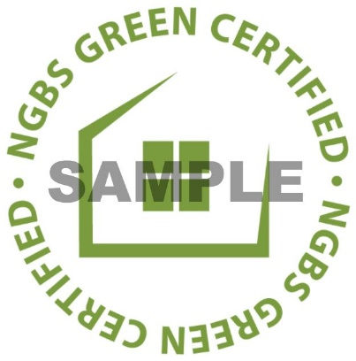

 |  |  |  | ERRORS REMAINING

 |  | Verifier Comments & Sign Off

 |  | I have personally verified by inspection and/or document review the green practices for which I have awarded points during this rough inspection on this building following the guidance in the Verifier Agreement and Verifiers Resource Guide. My company is not supplying product, participating in the physical construction of this project, or affiliated in any other way that would compromise the independence of my verification services.

Verifier Signature:

Verifier Comments:

Name:

Email:

Phone:

Start Time: |  |  | (format: hh:mm AM)

End Time:

Date: |  |  | (format: mm/dd/yyyy)

 |  | Team Verification
 |  | (Completing this section is MANDATORY whenever multiple accredited verifiers are involved in the verification of a given building or homes within a batch.)

 |  | Verifier Name | Role | Elements Verified (if applicable) |  | Inspection Dates (if applicable)
 | 1
 | 2
 | 3
 | 4
 | 5

 |  | OPTIONAL BATCH SUBMISSION

 |  | Rough Address |  | City | State | Zip | Project ID | Inspection Date (format: mm/dd/yyyy) | 1203.3(1) | 1203.6(A) | 1203.13(1)
 | 1 | 222226 Oak St. |  | Raleigh | Arizona | 99911 | PRJqye5dnY | 2021-11-11
 | 2
 | 3
 | 4
 | 5
 | 6
 | 7
 | 8
 | 9
 | 10
 | 11
 | 12
 | 13
 | 14
 | 15
 | 16
 | 17
 | 18
 | 19
 | 20
 | 21
 | 22
 | 23
 | 24
 | 25
 | 26
 | 27
 | 28
 | 29
 | 30

 |  | - REQUIREMENTS FOR BATCH SUBMISSION -

 |  | • A batch can consist of 2-30 homes.

 |  | • Batch submission is at the discretion of the verifier. A home can be removed from a batch at any time and submitted separately. Except for homes that are removed for individual report submission, homes should be grouped within the same batch for both rough and/or final submissions.

 |  | • All homes within a batch must be built by the same builder and located within the same county.

 |  | • All homes must have substantially the same construction type and the same heating and cooling systems.

 |  | • The standard inspection notification process must be followed for each home.

 |  | • All inspections of the same type (rough or final) must be completed before submitting the report. All homes must be inspected, and the inspection dates need to be included for each address.

 |  | • All energy efficiency testing values must be entered on signature pages for all homes within batch.

 |  | • Where applicable, the energy efficiency report for the worst-case in the batch must be submitted and energy performance value entered within the verification report.

 |  | • Photos for each home are to be submitted, each titled with their respective Project ID.

 |  | Warning!

 |  | A separate certificate will be issued for each home listed, but no certificates are issued until ALL homes are verified and the batch verification report is reviewed. If there is an issue with the report, it may not surface until it is too late to recover. This may mean that certificates are not available for closing.

Figure 6(2)
Figure 6(2): Average Annual Precipitation

 | back to Verification Report

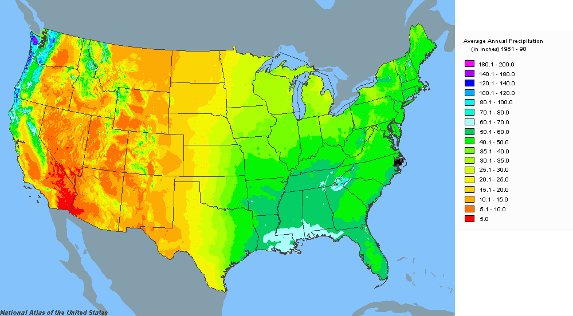

 | Source: | www.nationalatlas.gov

